Ans 2
2.Generate 100 values in Excel using the continuous uniform distribution RAND() and plot a histogram. Describe the shape of the distribution.

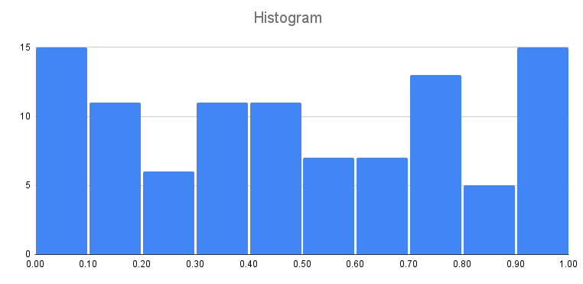
Ans :- | 0.8716196918
 | 0.8344356495
 | 0.7319122736
 | 0.7873477015
 | 0.5091352505
 | 0.4251977266
 | 0.1267586546
 | 0.7270990955
 | 0.2358369962
 | 0.4492988201
 | 0.01138911161
 | 0.9912198576
 | 0.09061040553
 | 0.9633514552
 | 0.4050337137
 | 0.3473048626
 | 0.1019813268
 | 0.3352700606
 | 0.5384196111
 | 0.341340458
 | 0.272211091
 | 0.7956005554
 | 0.5844506974
 | 0.4965011022
 | 0.8078947336
 | 0.9190151707
 | 0.2793873188
 | 0.6946289494
 | 0.2007301184
 | 0.811759889
 | 0.9078232263
 | 0.07721909762
 | 0.7904468385
 | 0.2544746674
 | 0.3562021006
 | 0.6044905189
 | 0.1264534554
 | 0.429689557
 | 0.3273114356
 | 0.6191310286
 | 0.7855823781
 | 0.1494323398
 | 0.3521368897
 | 0.3755619939
 | 0.3003817904
 | 0.6907663191
 | 0.9356553328
 | 0.5160770167
 | 0.5057245359
 | 0.4457097125
 | 0.02959054206
 | 0.9019655717
 | 0.9210737108
 | 0.5968710043
 | 0.03785014029
 | 0.04074134525
 | 0.751565796
 | 0.9412669552
 | 0.7293084284
 | 0.5898525035
 | 0.7131416621
 | 0.8021734954
 | 0.7577946857
 | 0.06275861233
 | 0.1652768449
 | 0.6924919588
 | 0.9705915725
 | 0.9150173749
 | 0.969432008
 | 0.02299611431
 | 0.3244443104
 | 0.6460314994
 | 0.08216557595
 | 0.684958525
 | 0.02202591515
 | 0.4163644727
 | 0.1389204255
 | 0.7790369691
 | 0.4319993228
 | 0.9510411299
 | 0.1878167294
 | 0.1109351716
 | 0.4622628779
 | 0.1760074534
 | 0.2923538727
 | 0.3292344091
 | 0.3186603388
 | 0.117931307
 | 0.9377439613
 | 0.7419255257
 | 0.0003823953719
 | 0.08678366377
 | 0.04767043129
 | 0.915553844
 | 0.458481872
 | 0.05614813264
 | 0.946585226
 | 0.1345218724
 | 0.0753697339
 | 0.4579640061
 | 0.7872281789

